Sheet1
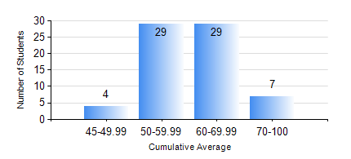
 |  |  | KWAME NKRUMAH UNIVERSITY OF SCIENCE AND TECHNOLOGY, KUMASI Department of Mechanical Engineering

 |  |  | BSC. MARINE ENG.

 |  |  | COMPREHENSIVE RECORD OF EXAMINATION RESULTS

 |  |  | RESULTS OF YEAR 4 FIRST SEMESTER, 2024/2025 ACADEMIC YEAR

 | Sn | Course Code |  | Course Name | Credit Hours | Min. Mark | Max. Mark | Avg. Mark | Std. Dev. | No. Passed | No. Trailed | No. (Df) | No. (I) | No. (I*) | No. Tagged(I,I*,Df) | Total
 | 0. |  |  |  |  |  |  | 0 | 0 | 0 | 0 | 0 | 0 | 0 | 0 | 1
 | 1. | ME 453 |  | HYDRAULICS AND PNEUMATICS | 3 | 11 | 86 | 60 | 15.98 | 65 | 3 | 0 | 0 | 0 | 0 | 68
 | 2. | MME 465 |  | MARINE AIR CONDITIONING AND REFRIGERATION | 3 | 40 | 85 | 60 | 11.87 | 68 | 0 | 0 | 0 | 0 | 0 | 68
 | 3. | MME 467 |  | MARINE INTERNAL COMBUSTION ENGINES | 3 | 57 | 98 | 86 | 10.6 | 68 | 0 | 0 | 0 | 0 | 0 | 68
 | 4. | MME 473 |  | MARINE MACHINERY SYSTEM DESIGN | 2 | 55 | 80 | 69 | 5.18 | 68 | 0 | 0 | 0 | 0 | 0 | 68
 | 5. | MME 491 |  | MARINE ENGINEERING ECONOMY, ACCOUNTING AND MANAGEMENT | 2 | 42 | 88 | 68 | 10.22 | 68 | 0 | 0 | 0 | 0 | 0 | 68
 | 6. | MME 495 |  | MARINE ENGINEERING PRACTICAL | 2 | 66 | 86 | 76 | 5.25 | 68 | 0 | 0 | 0 | 0 | 0 | 68
 | 7. | MME 497 |  | FINAL YEAR PROJECT I | 3 | 62 | 71 | 67 | 3.5 | 68 | 0 | 0 | 0 | 0 | 0 | 68

